No.6
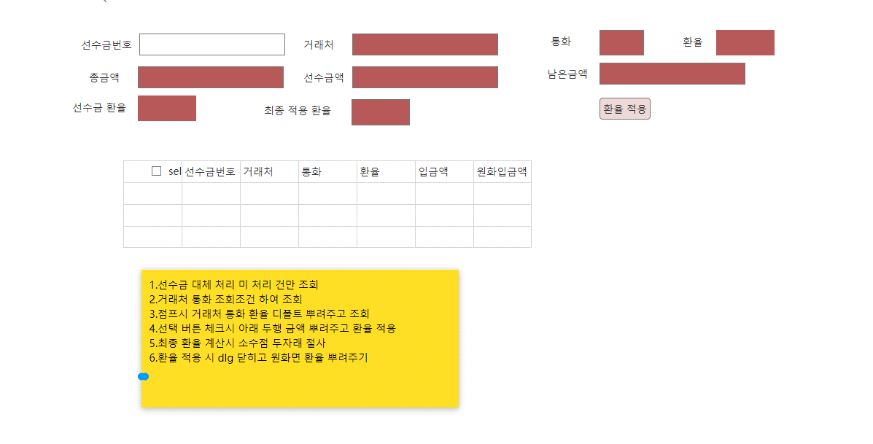

calc rule: apply rate = (advace receipt amout *ex rate+remain amount(total-receipt amout)*rate) / total amout

 | key | columnname | remark | order | datatype | length | decimal length | null option
 |  | CompanySeq | 법인코드 |  | int
 |  | SalesSeq | 매출내부코드 |  | int
 |  | ReceiptSeq | 선수금내부코드 |  | int
 |  | Remark | 비고 |  | nvarchar | 500
 |  | LastUserSeq | 최종사용자코드 |  | int
 |  | LastDateTime | 최종사용자시간 |  | datetime

근무조정신청서-Groupware design-no.15
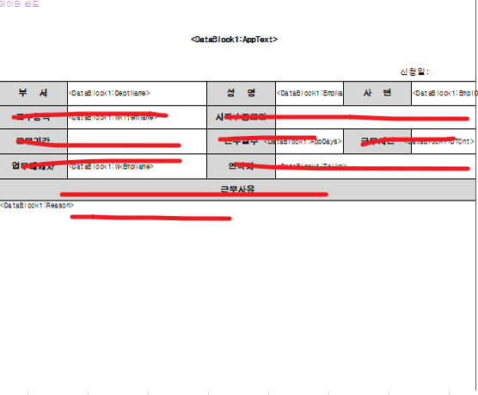

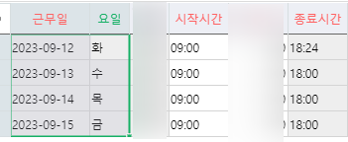

거래처 승인 출력물-No.10
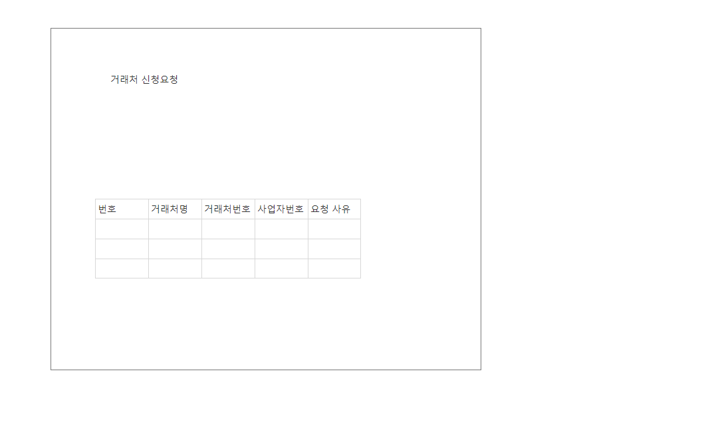

거래처 승인 출력물 design-No.10
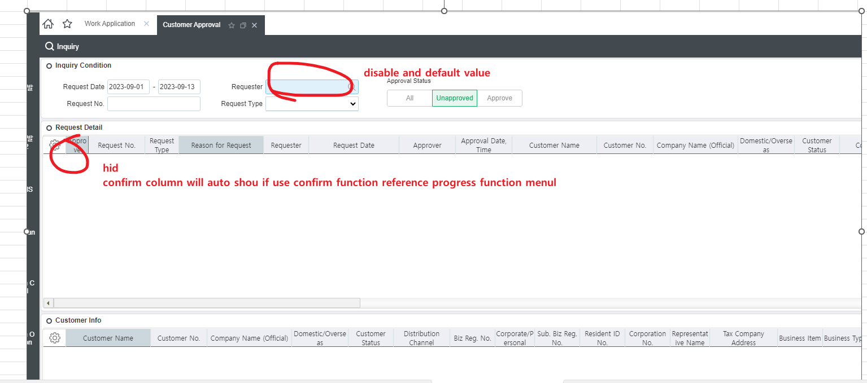
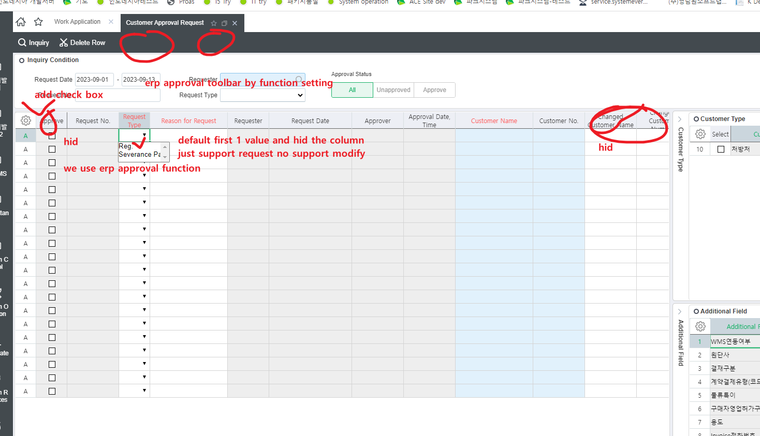

admin pgm
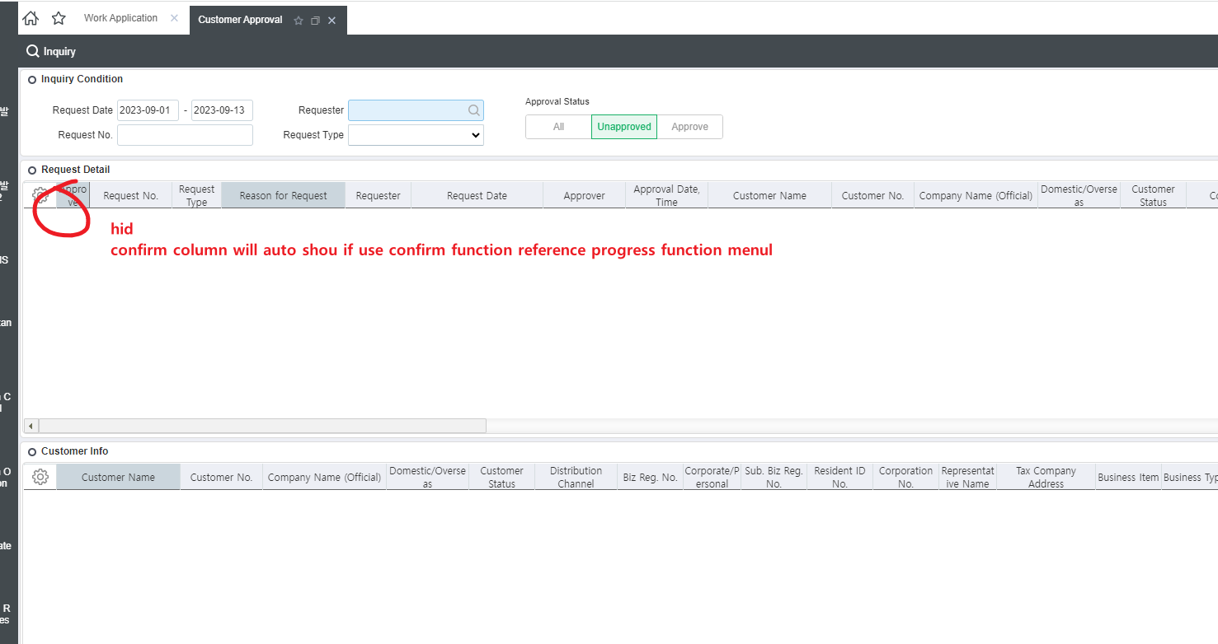

self pgm

